Excel examples
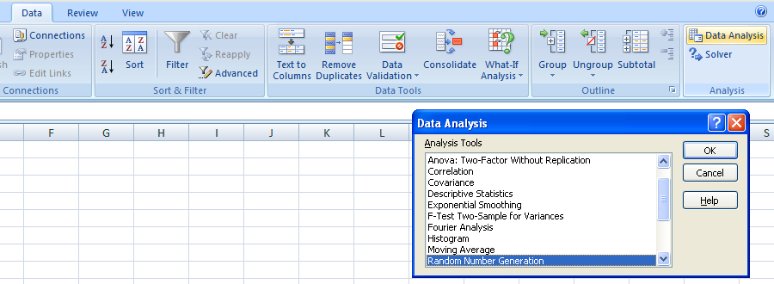
This spreadsheet tab provides illustrations of adding the DATA ANALYSIS capability to your Excel software.
If you see Data Analysis already listed under the Tools tab, you are set. If you do not see Data Analysis
follow the instructions in the Green tab. |  | Excel 2003 or earlier instructions

 | Excel 2003 or earlier versions of Excel example

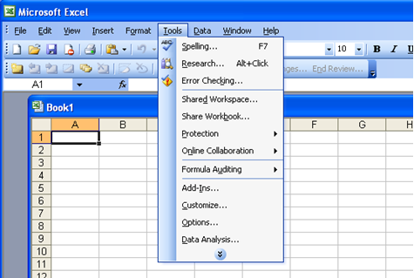

This spreadsheet tab provides illustrations of adding the DATA ANALYSIS capability to your 2007 Excel software.
If you see Data Analysis already listed under the DATA tab, you are set. If you do not see Data Analysis
follow the instructions in the Green tab. |  | Excel 2007or later instructions

 | Excel 2007 example

Analyze (Expected Variation)
Objective:
Your boss wants to know the limits of expected variation for the DSST resolution times.
Assuming that the process is normally distributed, you know you can calculate/predict the limits
of expected variation by calculating the mean and standard deviation for the data and then using
the properties of the normal distribution to estimate the limits of the expected variation.

 |  |  | The Mean and StDev in Excel 2003
 |  |  | The Mean and StDev in Excel 2007
 |  |  | Expected variation

Instructions for you:
1. Calculate the average for each.
2. Calculate the standard deviation for each.
3. From these calculations, determine the range of expected variation.

You can complete this assignment by hand as taught in the lecture, or
you can use Excel, or you may use a calculator or
other software. We explain the fundamentals of the
calculations, so that you learn the mechanics and the meaning
of standard deviation. This approach gives you an
understanding of standard deviation, which then allows
you to be flexible in the tools that you use.

4. Create a histogram from this data. Use the |  |  |  | Histograms in Excel 2003 or earlier
appropriate number of cells to represent the data.
Hint: There is a 'rules of thumb' cell choice table
in the HISTOGRAM (part I) section of your workbook. |  |  |  | Histograms in Excel 2007 or later

5. By looking at the histogram, is the process normally
distributed? Is there obvious assignable-cause variation? |  |  |  | More on Bin Ranges

Data:
 |  |  |  | mean | average | stdev
Average ED Wait Times (Door to Doctor) |  | 214 |  | 220 | 220 | 61
last 30 days (measured in minutes) |  | 356
 |  | 237
 |  | 144
Histogram
 | Frequency
63.12 | 1
121.63 | 1
180.14 | 3
238.65 | 14
297.16 | 8
More | 3
 |  | 146
 |  | 206
 |  | 107
 |  | 267
 |  | 208
 |  | 335
 |  | 204
 |  | 298
 |  | 213
 |  | 227
 |  | 187
 |  | 269
 |  | 216
 |  | 268
 |  | 242
 |  | 199
 |  | 251
 |  | 202
 |  | 245
 |  | 186
 |  | 229
 |  | 141
 |  | 251
 |  | 63
 |  | 232
 |  | 267

TARGET ASSIGNMENT DATE - Submit in Week 9 or earlier

YOU DO NOT NEED TO SUBMIT A HISTOGRAM FOR THIS DELIVERABLE
Project: | Healthcare
Deliverable: | Expected Variation |  |  | How do I determine if it's approximately normal?
Student last name: | Alt

Mean: |  |  | 220.00 |  |  | Check
Standard deviation: |  |  | 61.00 | ROUND ALL FINAL RESULTS TO 2 DECIMAL PLACES. |  | Check
Are the data approximately bell shaped? |  |  | Yes |  |  | Help
What is the lowest point of expected variation? |  |  | 37.00 | Help |  | Check
What is the upper point of expected variation? |  |  | 403.00 |  |  | Check

DO NOT SEND ANY EXTRA ATTACHMENTS UNLESS YOUR INSTRUCTOR SPECIFICALLY ASKS YOU TO!!

Please 'hand-in' your assignments throughout the course.
DO NOT SAVE THEM FOR THE END.
The deadline for having all project deliverables 100% correct
is 7 days prior to the end of the course.

Improve (Scatter Diagram)
Objective:
The team is certain there is a correlation between the volume of patients and the number of patients who
"Leave Without Treatment" (LWT). If there really IS correlation with the set of data,
the attention will be directed to determine how to improve the process
considering the cause-effect relationship between the x's and y's. If
there is no correlation evident in the set of data, the team will have to go
back to the drawing board.'

Instructions for you:
1. With the data provided, construct a scatter diagram to see if their hypothesis is correct.
2. Calculate the correlation coefficient between the two variables. (Use 6 decimal places)

Data:
 | Number in for treatment per specific day | Leave without treatment incidents
 | 172 | 4 |  | Scatter diagrams in Excel 2003 or earlier
 | 132 | 6
 | 130 | 2 |  | Scatter diagrams in Excel 2007 or later
 | 206 | 4
 | 199 | 6 |  | Correlation Coefficient - Excel 2003 or earlier
 | 223 | 4
 | 201 | 8 |  | Correlation Coefficient - Excel 2007 or later
 | 169 | 7
 | 135 | 5
 | 200 | 3
 | 189 | 7
 | 110 | 8
 | 203 | 6
 | 189 | 5
172 | 4
132 | 6
130 | 2
206 | 4
199 | 6
223 | 4
201 | 8
169 | 7
135 | 5
200 | 3
189 | 7
110 | 8
203 | 6
189 | 5
224 | 8
197 | 4
188 | 8
125 | 2
199 | 6
194 | 8
207 | 7
 | 224 | 8
 | 197 | 4
 | 188 | 8
 | 125 | 2
 | 199 | 6
 | 194 | 8
 | 207 | 7

TARGET ASSIGNMENT DATE - Submit in Week 12 or earlier

YOU DO NOT NEED TO SUBMIT THE ACTUAL SCATTER DIAGRAM
Project: |  |  | Healthcare
Deliverable: |  |  | Scatter Diagram
Student last name: |  |  | Alt

Is there strong correlation between the two variables? |  |  | negative |  |  | HINT!
 |  |  |  |  | ROUND ALL FINAL RESULTS TO 6 DECIMAL PLACES.
What is the calculated correlation coefficient? |  |  | 0.225643

DO NOT SEND ANY EXTRA ATTACHMENTS UNLESS YOUR INSTRUCTOR SPECIFICALLY ASKS YOU TO!!

Please 'hand-in' your assignments throughout the course.
DO NOT SAVE THEM FOR THE END.
The deadline for having all project deliverables 100% correct
is 7 days prior to the end of the course.

